BXP-S Series
MK Sensor Series_ADV Format_V1.0
Main function：Multiple ADV format, Multiple ADV slot, Heartbeat mode, Multiple trigger mechainsm, and data logger.
Revision history： V1.0: Initial version V1.1: Change the "ADV Type" in Sensor info ADV format from "0x81" to "0x80".
Eddystone-UID |  |  |  | Template
Byte offset | Field | Example Value | Description | 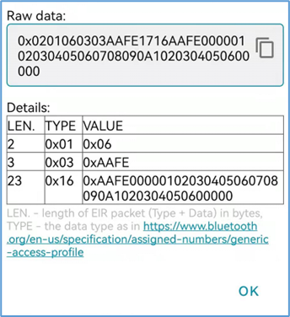
0 | Data length | 0x02 | AD length of Flags content
1 | Data type | 0x01 | AD type: Flags
2 | Advertising type | 0x06 | BR/EDR not supported / LE general discoverable mode
3 | Data length | 0x03 | AD length of Complete List content
4 | Data type | 0x03 | AD type: Complete List of 16-bit Service Class UUIDs
05-06 | Service UUID | 0xAA FE | Google Eddystone UUIDs
7 | Data length | 0x17 | AD length of Service Data content
8 | Data Type | 0x16 | AD type: Service Data
09-10 | Service UUID | 0xAA FE | Google Eddystone UUIDs
11 | Frame type | 0x00 | Google Eddystone frame type, 0x00: UID
12 | RSSI@0m | 0x00 | Calibrated Tx power at 0 m, defined by user
13-22 | Namespace ID | 0x01 02 03 04 05 06 07 08 09 0A | 10-bytes Namespace ID, defined by user
23-28 | Instance ID | 0x10 20 30 40 50 60 | 6-bytes Instance ID, defined by user
29-30 | RFU | 0x00 00 | 2-bytes reserved for future use, must be 0x00 00

Eddystone - URL |  |  |  | Template
Byte offset | Field | Example Value | Description | 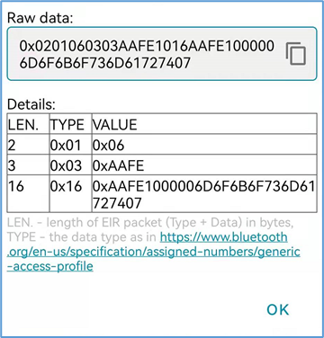
0 | Data length | 0x02 | AD length of Flags content
1 | Data type | 0x01 | Ad type: Flags
2 | Advertising type | 0x06 | BR/EDR not supported / LE general discoverable mode
3 | Data length | 0x03 | AD length of Complete List content
4 | Data type | 0x03 | AD type: Complete List of 16-bit Service Class UUIDs
05-06 | Service UUID | 0xAA FE | Google Eddystone UUIDs
7 | Data length | 0x10 | AD length. This data length is variable and determined by the input URL string, length range will be 4-23 bytes
8 | Data Type | 0x16 | Ad type: Service Data
09-10 | Service UUID | 0xAA FE | Google Eddystone UUIDs
11 | Frame type | 0x10 | Google Eddystone frame type, 0x10: URL
12 | RSSI@0m | 0x00 | Calibrated Tx power at 0 m, defined by user
13 | URL Scheme Prefix | 0x00 | Encoded Scheme prefix, 0x00 – 0x03 0x00: http://www. | 0x01: https://www. | 0x02: http:// | 0x03: https://
14-22 | Encoded URL | 0x6D 6F 6B 6F 73 6D 61 72 74 07 | Input example URL (characteristics). Content parse: mokosmart.com For more details, please visit Google Eddystone - eddystone/README.md at master · google/eddystone (github.com)

Eddystone - TLM |  |  |  | Template
Byte offset | Field | Example Value | Description | 
0 | Data length | 0x02 | AD length of Flags content
1 | Data type | 0x01 | AD type: Flags
2 | Advertising type | 0x06 | BR/EDR not supported / LE general discoverable mode
3 | Data length | 0x03 | AD length of Complete List content
4 | Data type | 0x03 | AD type: Complete List of 16-bit Service Class UUIDs
05-06 | Service UUID | 0xAA FE | Google Eddystone UUIDs
7 | Data length | 0x11 | AD length of Service Data content
8 | Data Type | 0x16 | AD type: Service Data
09-10 | Service UUID | 0xAA FE | Google Eddystone UUIDs
11 | Frame type | 0x20 | Google Eddystone frame type, 0x20: TLM
12 | TLM version | 0x00 | 00: Unencrypted TLM; 01:Encrypted TLM
13-14 | Battery voltage | 0x0C 87 | If the value is greater than 100, it represents the battery voltage. For example, 0x0CCC = 3276mV. If the value is less than or equal to 100, it represents the battery percentage. For example, 0x0064 = 100%.
15-16 | Beacon temperature | 0x0D 80 | Beacon temperature is the temperature in degrees Celsius sensed by the beacon and expressed in a signed 8.8 fixed-point notation. 2 bytes, Content Parse: 0D>>>13, 80>>128. In 8.8 notation, it should be 13+128/256=13.5℃.
17-20 | ADV_CNT | 0x00 00 0E 08 | ADV_CNT is the running count of advertisement frames of all types emitted by the beacon since power-up or reboot, useful for monitoring performance metrics that scale per broadcast frame. If this value is reset (e.g. on reboot), the current time field must also be reset. 4 bytes, Content parse: 3592
21-24 | SEC_CNT | 0x00 00 8C 45 | SEC_CNT is a 0.1 second resolution counter that represents time since beacon power-up or reboot. If this value is reset (e.g. on a reboot), the ADV count field must also be reset. 4 bytes, Content parse: 0x00 00 8C 45>>>35909, that is 3590.9s which equal to HH:MM:SS.000 format - 00:59:50.900(s).

Customized - iBeacon |  |  |  | Template
Advertising packet |  |  |  | 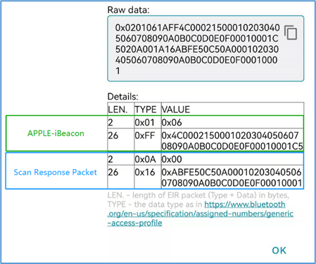
Byte offset | Field | Example Value | Description
0 | Data length | 0x02 | AD length of Flags content
1 | Data type | 0x01 | AD type: Flags
2 | Advertising type | 0x06 | BR/EDR not supported / LE general discoverable mode
3 | Data length | 0x1A | AD length of Manufacture Specific Data content
4 | Data type | 0xFF | AD type: Manufacture Specific Data
05-06 | Service UUID | 0x4C 00 | Apple Inc. <0x004C> (Little-endian)
7 | Data type | 0x02 | Apple defined data type, 0x02: Beacon
8 | Data length | 0x15 | AD length of Apple defined Beacon type content
09-24 | iBeacon UUID | 0x00 01 02 03 04 05 06 07 08 09 0A 0B 0C 0D 0E 0F | 16 bytes, iBeacon UUID. Application developers should define a UUID specific to their app and deployment use case.
25-26 | Major | 0x00 01 | 2-bytes, iBeacon Major. Further specifies a specific iBeacon and use case. For example, this could define a sub-region within a larger region defined by the UUID.Configuration range: 1~65535
27-28 | Minor | 0x00 01 | 2-bytes, iBeacon Minor. Allows further subdivision of region or use case, specified by the application developer.Configuration range: 1~65535
29 | RSSI@1m | 0xC5 | 1byte, Calibrated Tx power at 1 m; Configuration range: -100~0dBm
Scan response packet
Byte offset | Field | Example Value | Description
0 | Data length | 0x02 | AD length of Tx Power Level content
1 | Data type | 0x0A | AD type: Tx Power Level
2 | Advertising type | 0x00 | 1 byte signed integer, Tx Power, unit: dBm. Content parse: 0dBm
3 | Data length | 0x1A | AD length of Service Data content
4 | Data type | 0x16 | AD type: Service Data
05-06 | Service UUID | 0xAB FE | MOKO-Defined UUIDs
7 | Frame type | 0x50 | MOKO-Defined advertisement frame type; 0x50: iBeacon frame.
8 | RSSI@1m | 0xC5 | 1byte, Calibrated Tx power at 1 m; (Same as the RSSI@1m in iBeacon advertisement )
9 | Adv interval | 0x0A | Slot advertisement interval, unit: 100ms/digit.Content parse: 1000ms
10-25 | iBeacon UUID | 0x00 01 02 03 04 05 06 07 08 09 0A 0B 0C 0D 0E 0F | 16-bytes, iBeacon UUID. (Same as the UUID in iBeacon advertisement )
26-27 | Major | 0x00 01 | 2-bytes, iBeacon Major. (Same as the Major in iBeacon advertisement )
28-29 | Minor | 0x 00 01 | 2-bytes, iBeacon Minor. (Same as the Minor in iBeacon advertisement )

Customized - Sensor info |  |  |  | Template
Advertising packet
Byte offset | Field | Example Value | Description
0 | Data length | 0x02 | AD length of Flags content
1 | Data type | 0x01 | AD type: Flags
2 | Advertising type | 0x06 | BR/EDR not supported / LE general discoverable mode
3 | Data length | 0x1B | AD length of Service Data content
4 | Data type | 0x16 | AD type: Service Data
05-06 | Service UUID | 0x01 EA | MOKO-Defined UUIDs
7 | Frame type | 0x80 | MOKO-Defined advertisement frame type; 0x80: Sensor info.
8 | Sensor status | 0x00 | 1 byte to indicate the sensor status. Bit0: Hall sensor status. 1: Magnet away/absent(Door open) ; 0: Magnet approach/present(Door close). Bit1: Accelerometer sensor status. 1: In move ; 0: In static. Bit2: Accelerometer sensor equipped status. 1: Equipped ; 0: Not equipped. Bit3: Temperature sensor equipped status. 1: Equipped ; 0: Not equipped. Bit4: Humidity sensor equipped status. 1: Equipped ; 0: Not equipped. Bit5: Flash euqipped status. 1: Equipped ; 0: Not equipped. Bit6-Bit7: RFU.
09-10 | Hall trigger event count | 0x00 00 | Trigger event count of hall sensor. 2 bytes from 0-65535. When magnet present and then away, it counts 1. And it will count +1 only when magnet present and away again.
11-12 | Motion trigger event count | 0x00 00 | Trigger event count of motion sensor. 2 bytes from 0-65535. When motion trigger function be enabled and device moves, it counts 1. And it will count +1 only when next cycle triggered .
13-14 | X-axis data | 0x00 28 | Calculated acceleration value in X-axis. You will just need to convert this HEX value to DEC. (Signed integer) Example content parse: 0x00 28 >>> 40mg
15-16 | Y-axis data | 0xFF 84 | Calculated acceleration value in Y-axis. You will just need to convert this HEX value to DEC. (Signed integer) Example content parse: 0xFF 84 >>> -144mg
17-18 | Z-axis data | 0x03 D8 | Calculated acceleration value in Z-axis. You will just need to convert this HEX value to DEC. (Signed integer) Example content parse: 0x03 D8 >>> 984mg
19-20 | Temperature data | 0x00 C8 | Sampling temperature in 2 bytes (Signed integer), unit: 0.1℃/digit. Example content parse: 0x00 C8(HEX)>>>200(DEC)>>>20.0℃
21-22 | Humidity data | 0x01 37 | Sampling humidity in 2 bytes (Unsigned integer), unit: 0.1%/digit. Example content parse: 0x01 37(HEX)>>>311(DEC)>>>31.1%RH
23-24 | Battery percentage / Battery voltage | 0x0C CC / 0x00 64 | If the value is greater than 100, it represents the battery voltage. For example, 0x0CCC = 3276mV. If the value is less than or equal to 100, it represents the battery percentage. For example, 0x0064 = 100%.
25-30 | Tag ID | 0x00 00 01 | Tag ID for specific use. 1-6 bytes, configurable HEX. 0x00 00 01 by default.
Advertising packet （Scan response packet）
Byte offset | Field | Example Value | Description
0 | Data length | 0x07 | AD length
1 | Data type | 0x09 | AD type: Complete local name
02-21 | Advertising type | 0x4D4B2053656E736F72 | 1-20 bytes device name, comply with US-ASCII standard. Example content parse: MK Sensor

Customized - T&H |  |  |  | Template
Byte offset | Field | Example Value | Description | 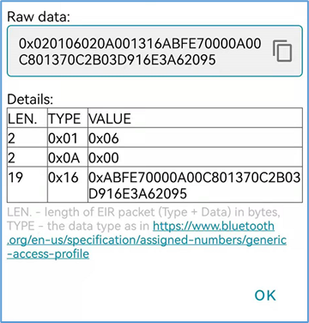
0 | Data length | 0x02 | AD length of Flags content
1 | Data type | 0x01 | AD type: Flags
2 | Advertising type | 0x06 | BR/EDR not supported / LE general discoverable mode
3 | Data length | 0x02 | AD length of Tx Power Level content
4 | Data type | 0x0A | AD type: Tx Power Level
5 | Tx power | 0x00 | 1 byte signed integer, Tx Power, unit: dBm. Content parse: 0dBm
6 | Data length | 0x13 | AD length of Service Data content
7 | Data Type | 0x16 | AD type: Service Data
08-09 | Service UUID | 0xAB FE | MOKO-Defined UUIDs
10 | Frame type | 0x70 | MOKO-Defined advertisement frame type; 0x70: T&H frame.
11 | Ranging data | 0x00 | Value that’s put into the advertising data that declares to receiving devices what the power should be at a specific distance. Configuration range: -100~0dBm
12 | Adv interval | 0x0A | Slot advertisement interval, unit: 100ms
13-14 | Sampling temperature | 0x00 C8 | Sampling temperature in 2 bytes (Signed integer), unit: 0.1℃/digit. Example content parse: 0x00 C8(HEX)>>>200(DEC)>>>20.0℃
15-16 | Sampling humidity | 0x01 37 | Sampling humidity in 2 bytes (Unsigned integer), unit: 0.1%/digit. Example content parse: 0x01 37(HEX)>>>311(DEC)>>>31.1%(Humidity)
17-18 | Battery voltage | 0x0C 45 | Battery voltage is the current battery charge in millivolts, expressed as 1 mV per bit. 2 bytes, Content parse: 3141mV
19 | Device type | 0x03 | Device type. 01: Equipped with 3-axis sensor; 02: Equipped with T&H sensor; 0x03: Equipped with 3-axis and T&H sensor In the future, we will revese this and keep it default as 0x00 for RFU.
20-25 | MAC address | 0xD9 16 E3 A6 20 95 | Beacon MAC address

